Form Responses 1
Timestamp | Email Address | General Skill: Signal Processing Ability to analyze, modify, and synthesize signals, especially in real-time systems. | General Skill: Microcontrollers + Embedded Systems Programming and integrating microcontrollers and embedded systems for specific applications. | General Skill: Soldering/Electronics Assembly Skills in assembling and soldering electronic components to create functional circuits. | General Skill: Python Proficiency in Python for software development, data analysis, and scripting. | General Skill: Java Proficiency in Java for cross-platform software development and application building. | General Skill: CAD/3D Printing Using computer-aided design and 3D printing technologies for prototyping and manufacturing. | General Skill: Product Development Product Development is the end-to-end process of identifying market needs, designing, prototyping, and testing a new product to meet those needs, involving a mix of market research, engineering, design, and project management. | General Skill: Data Engineering and Management Data Engineering and Management involves designing, building, and maintaining the systems and architecture that collect, store, process, and analyze large sets of data, ensuring data quality and accessibility for analysis and decision-making. | General Skill: Integrated Systems Integrated Systems refers to the skill of combining hardware and software components into a cohesive and efficient system that functions seamlessly to meet specific operational objectives. | General Skill: Software Integration and Interface Design Creating and implementing communication protocols and interfaces to enable disparate software systems or components to interact and share data efficiently. | EMG Sensor Integration Incorporating and calibrating EMG sensors for accurate signal capture. | Signal Processing for EMG Data Filter, analyze, and interpret electromyography data in real-time. | Vibration Feedback Mechanism Design Designing mechanisms to deliver physical feedback based on sensor input. | Mobile App Development Developing mobile applications for health monitoring with user-friendly interfaces. | Wearable Device Design Designing comfortable, durable wearables suitable for overnight use. | EEG Technology Familiarity Understanding of EEG headsets and their application for brain activity monitoring. | Neural Signal Processing Processing and interpreting EEG signals to identify specific thoughts or emotions. | Generative AI Integration Integrating EEG data with generative AI models to create visual outputs. | UI/UX Design for Interactive Systems Designing intuitive user interfaces for easy interaction with technology. | Sound Synthesis Knowledge Understanding electronic creation and manipulation of sounds for music production. | LED Display Engineering Programming and designing LED displays that respond to EEG data inputs. | EMG and IMU Sensor Application Applying and interpreting data from EMG and IMU for muscle and movement analysis. | Data Visualization for Therapy Progress Creating visualizations of therapy progress for therapists and patients. | Rehabilitation Technology Integration Incorporating technology into rehabilitation practices effectively. | Custom Software Solutions for Physical Therapy Developing software that can be customized for individual therapy plans.
4/6/2024 | emmrodge@uw.edu | 2 | 3 | 2 | 3 | 3 | 1 | 5 | 3 | 2 | 2 | 3 | 2 | 2 | 3 | 3 | 1 | 2 | 1 | 2 | 1 | 2 | 1 | 1 | 1 | 1
4/6/2024 | adkris@uw.edu | 5 | 3 | 2 | 5 | 3 | 1 | 3 | 2 | 2 | 1 | 3 | 4 | 3 | 1 | 3 | 1 | 3 | 3 | 1 | 2 | 2 | 4 | 2 | 1 | 1
4/6/2024 | yfl24@uw.edu | 3 | 2 | 3 | 4 | 3 | 3 | 5 | 4 | 3 | 4 | 4 | 4 | 3 | 3 | 4 | 4 | 4 | 1 | 2 | 2 | 2 | 4 | 3 | 2 | 2
4/7/2024 | pooji289@uw.edu | 4 | 2 | 2 | 5 | 5 | 3 | 4 | 3 | 3 | 4 | 2 | 3 | 3 | 4 | 4 | 3 | 3 | 4 | 3 | 3 | 3 | 3 | 4 | 4 | 4
4/7/2024 | elireeb@uw.edu | 4 | 3 | 5 | 4 | 3 | 3 | 2 | 1 | 3 | 2 | 5 | 4 | 1 | 1 | 1 | 1 | 1 | 1 | 2 | 2 | 1 | 4 | 3 | 4 | 2
 | Team Score Avg. | 3.6 | 2.6 | 2.8 | 4.2 | 3.4 | 2.2 | 3.8 | 2.6 | 2.6 | 2.6 | 3.4 | 3.4 | 2.4 | 2.4 | 3 | 2 | 2.6 | 2 | 2 | 2 | 2 | 3.2 | 2.6 | 2.4 | 2
 | Team Strengths (Sorted Avg. > 3) | Python | 4.2
 |  | Product Development | 3.8
 |  | Signal Processing | 3.6
 |  | Java | 3.4
 |  | EMG Sensor Integration | 3.4
 |  | Signal Processing for EMG Data | 3.4
 |  | EMG and IMU Sensor Application | 3.2

emmrodge@uw.edu, adkris@uw.edu, yfl24@uw.edu, pooji289@uw.edu and elireeb@uw.edu
 | Team Weaknesses (Sorted Avg. < 3) | EEG Technology Familiarity | 2
 |  | Generative AI Integration | 2
 |  | UI/UX Design for Interactive Systems | 2
 |  | Sound Synthesis / LED Display | 2
 |  | Custom Software for Physical Therapy | 2
 |  | CAD/3D Printing | 2.2
emmrodge@uw.edu, adkris@uw.edu, yfl24@uw.edu, pooji289@uw.edu and elireeb@uw.edu
 |  | Vibaration Feedback Mechanism Design | 2.4
 |  | Mobile App Development | 2.4

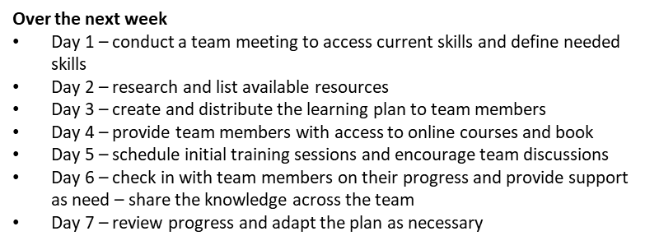
 |  | Team Strengths (Sorted Avg. > 3) | Python | 4.2
 |  |  | Product Development | 3.8
 |  |  | Signal Processing | 3.6
 |  |  | Java | 3.4
 |  |  | EMG Sensor Integration | 3.4
 |  |  | Signal Processing for EMG Data | 3.4
 |  |  | EMG and IMU Sensor Application | 3.2

 |  | Team Weaknesses (Sorted Avg. < 3) | EEG Technology Familiarity | 2
 |  |  | Generative AI Integration | 2
 |  |  | UI/UX Design for Interactive Systems | 2
 |  |  | Sound Synthesis / LED Display | 2 |  | Skills | Name(s) | Preliminary Steps
 |  |  | Custom Software for Physical Therapy | 2 |  | EMG Sensor Integration | Elijah, Aditya, Frenda | 1.Research 2.Hardware Selection 3.Gather Resources 4.Experimentation 5.Learn Signal Acquisition
 |  |  | CAD/3D Printing | 2.2 |  | Signal Processing for EMG Data | Elijah, Aditya, Frenda | 1.Understand EMG Data 2.Study Signal Processing 3.Explore Libraries 4.Practice Filtering Techniques 5.Analyze EMG Patterns
 |  |  | Vibaration Feedback Mechanism Design | 2.4 |  | Vibration Feedback Mechanism Design | Emily, Aditya | 1.Research Feedback Mechanisms 2.Understand Control Techniques 3.Design Circuitry 4.Prototype
 |  |  | Mobile App Development | 2.4 |  | Mobile App Development | Poojitha, Emily | 1.Decide a Platform (iOS / Android / both) 2.Learn Mobile App Frameworks (online resources) 3.Study Design Principles UI/UX
 |  |  |  |  |  | Wearable Device Design | Frenda, Emily Poojitha, Aditya | 1.Understand Wearable Technologies 2.Study Ergonomics and Aesthetics 3.Prototype 4.Keep Up with Trends

Sheet1
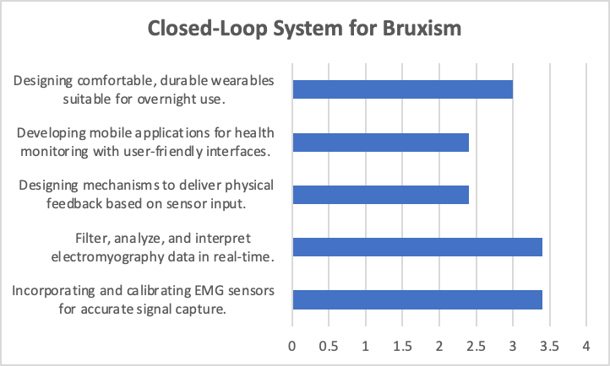
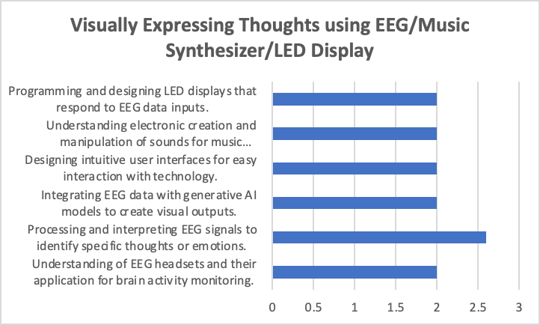
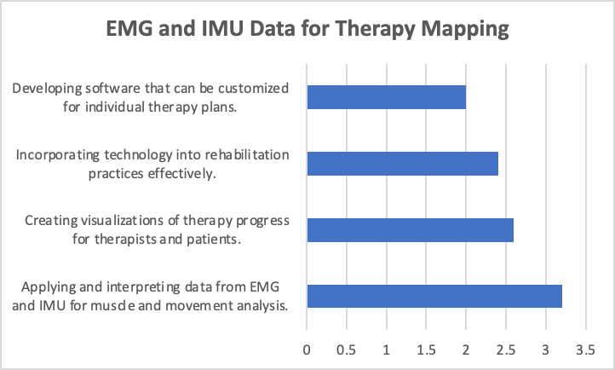
EMG Sensor Integration | Signal Processing for EMG Data | Vibration Feedback Mechanism Design | Mobile App Development | Wearable Device Design | EEG Technology Familiarity | Neural Signal Processing | Generative AI Integration | UI/UX Design for Interactive Systems | Sound Synthesis Knowledge | LED Display Engineering | EMG and IMU Sensor Application | Data Visualization for Therapy Progress | Rehabilitation Technology Integration | Custom Software Solutions for Physical Therapy
Closed-Loop System for Bruxism |  |  |  |  | Visually Expressing Thoughts using EEG/Music Synthesizer/LED Display |  |  |  |  |  | EMG and IMU Data for Therapy Mapping
Incorporating and calibrating EMG sensors for accurate signal capture. | Filter, analyze, and interpret electromyography data in real-time. | Designing mechanisms to deliver physical feedback based on sensor input. | Developing mobile applications for health monitoring with user-friendly interfaces. | Designing comfortable, durable wearables suitable for overnight use. | Understanding of EEG headsets and their application for brain activity monitoring. | Processing and interpreting EEG signals to identify specific thoughts or emotions. | Integrating EEG data with generative AI models to create visual outputs. | Designing intuitive user interfaces for easy interaction with technology. | Understanding electronic creation and manipulation of sounds for music production. | Programming and designing LED displays that respond to EEG data inputs. | Applying and interpreting data from EMG and IMU for muscle and movement analysis. | Creating visualizations of therapy progress for therapists and patients. | Incorporating technology into rehabilitation practices effectively. | Developing software that can be customized for individual therapy plans.
3.4 | 3.4 | 2.4 | 2.4 | 3 | 2 | 2.6 | 2 | 2 | 2 | 2 | 3.2 | 2.6 | 2.4 | 2

3 | 2 | 2 | 3 | 3 | 1 | 2 | 1 | 2 | 1 | 2 | 1 | 1 | 1 | 1
3 | 4 | 3 | 1 | 3 | 1 | 3 | 3 | 1 | 2 | 2 | 4 | 2 | 1 | 1
4 | 4 | 3 | 3 | 4 | 4 | 4 | 1 | 2 | 2 | 2 | 4 | 3 | 2 | 2
2 | 3 | 3 | 4 | 4 | 3 | 3 | 4 | 3 | 3 | 3 | 3 | 4 | 4 | 4
5 | 4 | 1 | 1 | 1 | 1 | 1 | 1 | 2 | 2 | 1 | 4 | 3 | 4 | 2

